Connection data

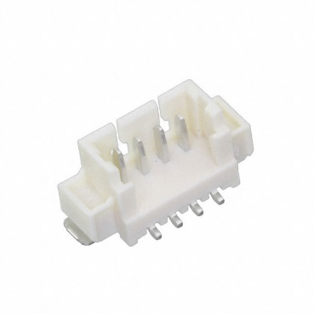
Power Connection
Connector |  | MOLEX 53398-0471
Number of pins |  | 4
Pin connections
 | Pin 1 | negative
 | Pin 2 | negative
 | Pin 3 | positive
 | Pin 4 | positive

Remove Before Flight (RBF) Connection
Connector |  | MOLEX 53261-0271
Number of pins |  | 2
Pin connections
 | Pin 1 | negative
 | Pin 2 | positive
 |  |  | Pin order does not matter
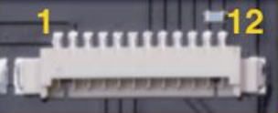
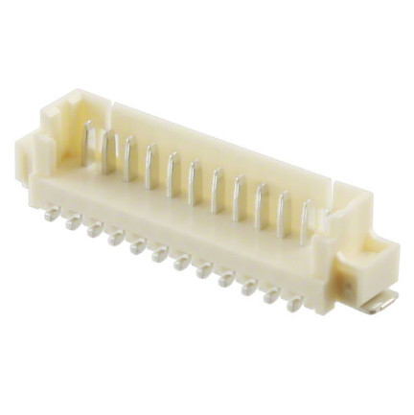
Data Connection
Connector |  | MOLEX 53398-1271
Number of pins |  | 12
Pin connections
 | Pin 1 | x
 | Pin 2 | x
 | Pin 3 | GND
 | Pin 4 | x
 | Pin 5 | x
 | Pin 6 | x
 | Pin 7 | AGND
 | Pin 8 | Photodiode
 | Pin 9 | SPI SCK
 | Pin 10 | SPI MISO
 | Pin 11 | VCC
 | Pin 12 | SPI CS2 |  | Is this the correct one, or should it be MOSI?

Communication Bypass Connection
Connector |  | MOLEX 53261-0471 |  | To OBC's Molex 53398-0471 via P1. Can also use USB1 interface.
Number of pins |  | 4
Pin connections |  |  |  | Refer to page 30 of the Endurosat OBC datasheet for the pins
 | Pin 1 | +5V USB |  | https://www.endurosat.com/modules-datasheets/OBC_User_Manual_Rev1.pdf
 | Pin 2 | USB_DM
 | Pin 3 | USB_DP |  | Check these, how are the USB connections setup for the OBC and EPS?
 | Pin 4 | GND |  | Can make several of these, e.g. one for OBC, EPS, something else? And pins are customized.

Antenna Release Connection
Connector |  | ?
Number of pins |  | 4
Pin connections
 | Pin 1 | +5V
 | Pin 2
 | Pin 3 |  |  | One is for checking deployment, other is for the burn wires.
 | Pin 4 | GND |  | Connects to the custom board?

